Component 3
# | Design Component | Status Quo | Option A
3 | Use of Fixed Gen Flag | Setting Fixed Gen Flag = True in Markets Gateway (Indicates unit will not be following the automated SCED dispatch signal, but may still be able to respond to manual dispatch instructions)
3a | Impact of its use on Operating Reserve Make Whole Credits | Use of Fixed Gen flag does not make a resource ineligible for Balancing Operating Reserve Make Whole Credits. When Fixed Gen Flag is used, it triggers use of Dispatch LMP Desired MW (non-ramp limited value) as the desired MW (i.e. it minimizes cost and maximizes value, which leads to smaller make whole credits than if unit had indicated an ability to follow the SCED dispatch signal). | Use of Fixed Gen Flag does not make a unit ineligible for Balancing Operating Reserve Make Whole Credits. The Fixed Gen Flag is ignored in the calculation of the Tracking Desired MW which is used to calculate the uplift the unit would be owed if it was following dispatch. Tracking Desired MW will use the submitted economic limits.

3b | Impact of its use on Deviation Charges | When Fixed Gen Flag is used in both the DA and RT markets, it characterizes the unit as non-dispatchable and triggers use of DA MW as the desired MW used in the calculation of deviations. When Fixed Gen Flag is used in RT only, it characterizes the unit as having Limited Dispatchability and triggers use of Dispatch LMP Desired MW in the calculation of deviation MWs. | When Fixed Gen Flag is used in both the DA and RT markets, it causes the unit to be non-dispatchable and triggers use of DA MW as the desired MW used in the calculation of deviations. When Fixed Gen Flag is used in RT only, it characterizes the unit as having Limited Dispatchability and triggers use of Tracking Desired in the calculation of deviation MW.

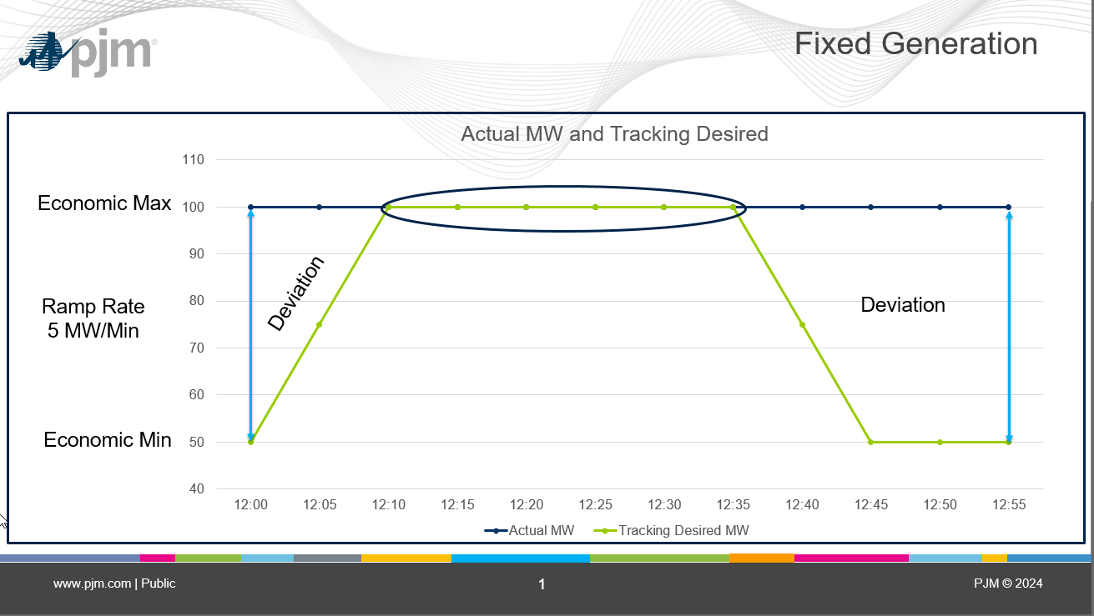

Key Takeaway:
The above graph illustrates an hour of a fixed generation resource where the tracking desired moves from the economic minimum to economic maximum and back to minimum. The Intervals where the Actual MW and Tracking desired are different result in an operating reserve generation deviation, which will be used to calculate operating reserve charges for the resource. The intervals where the tracking desired and Actual MW are equal will not incur a deviation.
The segment operating reserve calculations will still be based on the Actual MW and Tracking desired comparison. Given tracking desired is calculated using the bid in limits, the unit will not be made whole for any MW beyond those which PJM would have desired absent the use of the Fixed Gen Flag.

Component 4
# | Design Components |  |  |  |  | Status Quo - Conceptual Description |  |  |  |  |  |  |  |  | A
4 | Offering Limited Dispatchable Range |  |  |  |  | Generators that clamp their limits in real-time as compared to day-ahead. This is defined as: (Unit’s real-time economic minimum > Day-ahead Economic Minimum by 5% or 5 MW, whichever is greater OR Unit’s real-time economic maximum < Day-ahead Economic Maximum by 5% or 5MW, whichever is lower ) |  |  |  |  |  |  |  |  | Generators that clamp their limits are defined as those that reduce their Economic Maximum or increase their Economic Minimum in real-time as compared to the time of their DA or RT commitment (no threshold for the reduction amount). For RT only-committed units, instead of comparing to Day-ahead limits, compare to the RT limits submitted at time of commitment. The comparison back to the limits at the time of the RT commitment will only be done for the greater of the min run period and, if one has been specified, the predefined commitment period. A predefined commitment period as directed by PJM dispatch would need to be clearly defined and documented by dispatch at the time of call on.
4a | Impact on Operating Reserve Make Whole Credits |  |  |  |  | Triggers use of Dispatch LMP Desired MW (non-ramp limited value) as desired MW (i.e. it minimizes cost and maximizes value, which leads to smaller make whole credits than if unit had not narrowed its dispatchable range). |  |  |  |  |  |  |  |  | Similar to the use of the Fixed Gen Flag, reducing the dispatchable range does not make a unit ineligible for Balancing Operating Reserve Make Whole Credits. Tracking Desired is used instead of Dispatch LMP Desired to calculate make whole credits. The Tracking Desired MW is calculated using the reopened economic limits (that is, the minimum of the Eco Min MW at the time of the commitment and RT Eco Min MW and the maximum of the Eco Max MW at the time of commitment and RT Eco Max (min of the mins, max of the maxes)). If a resource would have been dispatched higher or lower based on the committed limits (the original dispatchable range) than where it was dispatched in RT, any losses associated with the reduction in dispatchable range will be excluded from the BOR Credit which is calculated using the Tracking Desired MW. That is, any buy back in excess of the DA revenue due to the decrease in ecomax in RT will not be made whole and is the responsibility of the market participant. Any losses due to the increase in ecomin in RT will not be made whole and is the responsibility of the market participant.
4b | Impact on Generator Deviation Charges |  |  |  |  | Triggers use of Dispatch LMP Desired MW (non-ramp limited value) as desired MW (increases the deviations) |  |  |  |  |  |  |  |  | Deviations are calculated by comparing RT MW to the Tracking Ramp Limited Desired calculated using the reopened limits.

Scenario 1: RT Economic Min is increased
Offer |  |  |  | DA OpRes |  |  | Real-Time |  |  | Bal OpRes @ Tracking Desired |  |  | Bal OpRes @ Adj Tracking Desired
Segment | Begin MW | End MW | Price | MW | Begin Price | End Price | MW | Begin Price | End Price | MW | Begin Price | End Price | MW | Begin Price | End Price
1 | 0 | 50 | $20.00 | 50 | $20.00 | $20.00 | 0 | $20.00 | $- | 0 | $20.00 | $- | 0 | $20.00 | $-
2 | 50 | 75 | $25.00 | 0 | $- | $- | 70 | $- | $24.00 | 70 | $- | $24.00 | 60 | $- | $22.00
3 | 75 | 100 | $30.00 | 0 | $- | $- | 0 | $- | $- | 0 | $- | $- | 0 | $- | $-

DA OpRes |  |  |  |  |  |  | Real-Time MW Cost |  |  |  |  |  |  | Tracking Desired MW Cost |  |  |  |  |  | Adj Tracking Desired MW Cost
Segment | Begin MW | End MW | Begin Price | End Price | Offer Cost |  | Segment | Begin MW | End MW | Begin Price | End Price | Offer Cost |  | Segment | Begin MW | End MW | Begin Price | End Price | Offer Cost | Segment | Begin MW | End MW | Begin Price | End Price | Offer Cost
1 | 0 | 50 | $20.00 | $20.00 | $1,000.00 |  | 1 | 0 | 50 | $20.00 | $20.00 | $1,000.00 |  | 1 | 0 | 50 | $20.00 | $20.00 | $1,000.00 | 1 | 0 | 50 | $20.00 | $20.00 | $1,000.00
2 | 0 | 0 | $- | $- | $- |  | 2 | 50 | 70 | $20.00 | $24.00 | $440.00 |  | 2 | 50 | 70 | $20.00 | $24.00 | $440.00 | 2 | 50 | 60 | $20.00 | $22.00 | $210.00
3 | 0 | 0 | $- | $- | $- |  | 3 | 0 | 0 | $- | $- | $- |  | 3 | 0 | 0 | $- | $- | $- | 3 | 0 | 0 | $- | $- | $-
4 | 0 | 0 | $- | $- | $- |  | 4 | 0 | 0 | $- | $- | $- |  | 4 | 0 | 0 | $- | $- | $- | 4 | 0 | 0 | $- | $- | $-
 |  |  |  |  | $1,000.00 |  |  |  |  |  |  | $1,440.00 |  |  |  |  |  |  | $1,440.00 |  |  |  |  |  | $1,210.00

The following Data can be updated for Scenario Analysis |  |  |  |  | Day-Ahead Operating Reserve
Day-ahead Information |  |  |  |  | Columns |  |  |  | Values
MW |  | 50 |  |  | DA Revenue (MW * LMP) |  |  |  | $950.00
LMP |  | $19.00
Startup |  | $- |  |  | DA Incremental Cost @ 50 MW |  |  |  | $1,000.00
No-Load |  | $- |  |  | DA No-Load Cost |  |  |  | $-
DA Economic Minimum |  | 50 |  |  | DA Startup Cost |  |  |  | $-
DA Economic Maximum |  | 100
 |  |  |  |  | DA Net Revenue (Revenue - Cost) |  |  |  | ($50.00)
The following Data can be updated for Scenario Analysis
Real-time Information |  |  |  |  | Day-Ahead Operating Reserve Credit |  |  |  | $50.00
Actual RT MW |  | 70
LMP |  | $15.00
Tracking Desired MW (with RT bid-in limits) |  | 70 |  |  | Step 1A |  |  |  |  |  |  | Step 2 |  |  |  |  |  |  | Step 1B
ADJ Tracking Desired (with reopened limits) |  | 60 |  |  | Balancing Operating Reserves @ Tracking Desired with RT bid-in limits |  |  |  |  |  |  | Balancing Operating Reserves @ RT MW |  |  |  |  |  |  | Balancing Operating Reserves @ Adj Tracking Desired (with reopened limits)
Startup |  | $- |  |  | Columns |  |  |  | Values |  |  | Columns |  |  |  | Values |  |  | Columns |  |  | Values
No-Load |  | $- |  |  | DA Revenue (MW * LMP) |  |  |  | $950.00 |  |  | DA Revenue (MW * LMP) |  |  |  | $950.00 |  |  | DA Revenue (MW * LMP) |  |  | $950.00
RT Economic Minimum |  | 70
RT Economic Maximum |  | 100 |  |  | Day-Ahead Operating Reserve Credit |  |  |  | $50.00 |  |  | Day-Ahead Operating Reserve Credit |  |  |  | $50.00 |  |  | Day-Ahead Operating Reserve Credit |  |  | $50.00

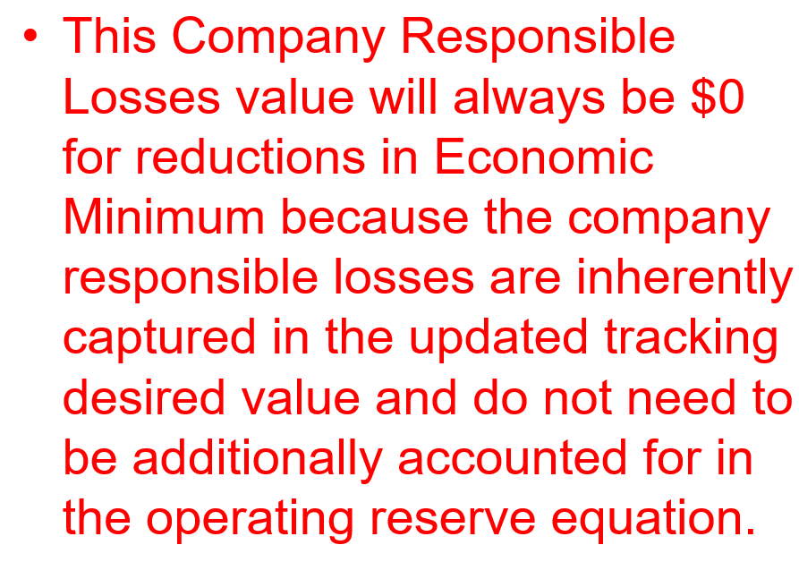
 |  |  |  |  | Balancing Revenue (Tracking Desired - DA MW) * LMP) |  |  |  | $300.00 |  |  | Balancing Revenue (RT MW - DA MW) * LMP) |  |  |  | $300.00 |  |  | Balancing Revenue (Adj Tracking Desired - DA MW) * LMP) |  |  | $150.00
 |  |  |  |  |  |  |  |  |  |  |  |  |  |  |  |  |  |  | Company Responsible Losses @ 0 MW |  |  | $-
 |  |  |  |  | RT Incremental Cost @ 70 MW |  |  |  | $1,440.00 |  |  | RT Incremental Cost @ 70 MW |  |  |  | $1,440.00 |  |  | RT Incremental Cost @ 60 MW |  |  | $1,210.00
 |  |  |  |  | RT No-Load Cost |  |  |  | $- |  |  | RT No-Load Cost |  |  |  | $- |  |  | RT No-Load Cost |  |  | $-
 |  |  |  |  | RT Startup Cost |  |  |  | $- |  |  | RT Startup Cost |  |  |  | $- |  |  | RT Startup Cost |  |  | $-

 |  |  |  |  | Bal Net Revenue (Revenue - Cost) |  |  |  | ($190.00) |  |  | Bal Net Revenue (Revenue - Cost) |  |  |  | ($190.00) |  |  | Bal Net Revenue (Revenue - Cost) |  |  | ($110.00)

 |  |  |  |  | Bal Operating Reserve Credit |  |  |  | $140.00 |  |  | Bal Operating Reserve Credit |  |  |  | $140.00 |  |  | Bal Operating Reserve Credit |  |  | $60.00

 |  |  |  |  |  |  |  | Min of Step 1B and Step 2
 |  |  |  |  |  |  | Step 3: | Balancing Operating Reserve Credit |  |  |  | $60.00
 |  |  |  |  |  |  |  | This is the Operating Reserve Credit, if the segment only contained this single interval. The Operating Reserve Credit calculation generally contains multiple intervals within a segment.

Key Takeaway:
This is only for an increase to the real-time economic minimum limit. An increase to the economic minimum limit would limit the floor that the resource could be dispatched resulting in an increase in losses that would have not otherwise occurred with the original limit. A decrease in the economic limit is a change that will allow for a further downward dispatch of the resource resulting in less losses incurred by the resource.
If a resource Increases their economic limits in real-time, the original limits will be used to calculate an adjustment to the tracking desired to capture the dispatch that could have been obtained, if the limit was not raised.
This adjustment to the tracking desired will be performed:
- for the period, when the resource is committed in the day-ahead market, the day-ahead economic minimum will be used.
- for the minimum run time period, when the resource is committed in real-time only, the real-time economic minimum at the time of the commitment will be used.
This adjusts the Tracking desired calculation only. The overall operating reserve credit is still based on the lesser of the segmented calculations for Tracking Desired and actual MW.

Scenario 2: RT Economic Max Decreased
Offer |  |  |  | DA OpRes |  |  | Real-Time |  |  | Bal OpRes @ Tracking Desired |  |  | Bal OpRes @ Adj Tracking Desired
Segment | Begin MW | End MW | Price | MW | Begin Price | End Price | MW | Begin Price | End Price | MW | Begin Price | End Price | MW | Begin Price | End Price
1 | 0 | 50 | $20.00 | 0 | $20.00 | $- | 0 | $20.00 | $- | 0 | $20.00 | $- | 0 | $20.00 | $-
2 | 50 | 75 | $25.00 | 0 | $- | $- | 0 | $- | $- | 0 | $- | $- | 0 | $- | $-
3 | 75 | 100 | $30.00 | 100 | $- | $30.00 | 90 | $- | $28.00 | 90 | $- | $28.00 | 95 | $- | $29.00

DA OpRes |  |  |  |  |  |  | Real-Time MW Cost |  |  |  |  |  |  | Tracking Desired MW Cost |  |  |  |  |  | Adj Tracking Desired MW Cost
Segment | Begin MW | End MW | Begin Price | End Price | Offer Cost |  | Segment | Begin MW | End MW | Begin Price | End Price | Offer Cost |  | Segment | Begin MW | End MW | Begin Price | End Price | Offer Cost | Segment | Begin MW | End MW | Begin Price | End Price | Offer Cost
1 | 0 | 50 | $20.00 | $20.00 | $1,000.00 |  | 1 | 0 | 50 | $20.00 | $20.00 | $1,000.00 |  | 1 | 0 | 50 | $20.00 | $20.00 | $1,000.00 | 1 | 0 | 50 | $20.00 | $20.00 | $1,000.00
2 | 50 | 75 | $20.00 | $25.00 | $562.50 |  | 2 | 50 | 75 | $20.00 | $25.00 | $562.50 |  | 2 | 50 | 75 | $20.00 | $25.00 | $562.50 | 2 | 50 | 75 | $20.00 | $25.00 | $562.50
3 | 75 | 100 | $25.00 | $30.00 | $687.50 |  | 3 | 75 | 90 | $25.00 | $28.00 | $397.50 |  | 3 | 75 | 90 | $25.00 | $28.00 | $397.50 | 3 | 75 | 95 | $25.00 | $29.00 | $540.00
4 | 0 | 0 | $- | $- | $- |  | 4 | 0 | 0 | $- | $- | $- |  | 4 | 0 | 0 | $- | $- | $- | 4 | 0 | 0 | $- | $- | $-
 |  |  |  |  | $2,250.00 |  |  |  |  |  |  | $1,960.00 |  |  |  |  |  |  | $1,960.00 |  |  |  |  |  | $2,102.50

The following Data can be updated for Scenario Analysis |  |  |  |  | Day-Ahead Operating Reserve
Day-ahead Information |  |  |  |  | Columns |  |  |  | Values
MW |  | 100 |  |  | DA Revenue (MW * LMP) |  |  |  | $5,000.00
LMP |  | $50.00
Startup |  | $1,000.00 |  |  | DA Incremental Cost @ 100 MW |  |  |  | $2,250.00
No-Load |  | $100.00 |  |  | DA No-Load Cost |  |  |  | $100.00
DA Economic Minimum |  | 50 |  |  | DA Startup Cost |  |  |  | $1,000.00
DA Economic Maximum |  | 100
 |  |  |  |  | DA Net Revenue (Revenue - Cost) |  |  |  | $1,650.00
The following Data can be updated for Scenario Analysis
Real-time Information |  |  |  |  | Day-Ahead Operating Reserve Credit |  |  |  | $-
Actual RT MW |  | 90
LMP |  | $55.00
Tracking Desired MW (with RT bid-in limits) |  | 90 |  |  | Step 1A |  |  |  |  |  |  | Step 2 |  |  |  |  |  |  | Step 1B
ADJ Tracking Desired (with reopened limits) |  | 95 |  |  | Balancing Operating Reserves @ Tracking Desired with RT bid-in limits |  |  |  |  |  |  | Balancing Operating Reserves @ RT MW |  |  |  |  |  |  | Balancing Operating Reserves @ Adj Tracking Desired (with reopened limits)
Startup |  | $1,000.00 |  |  | Columns |  |  |  | Values |  |  | Columns |  |  |  | Values |  |  | Columns |  |  | Values
No-Load |  | $100.00 |  |  | DA Revenue (MW * LMP) |  |  |  | $5,000.00 |  |  | DA Revenue (MW * LMP) |  |  |  | $5,000.00 |  |  | DA Revenue (MW * LMP) |  |  | $5,000.00
RT Economic Minimum |  | 50
RT Economic Maximum |  | 90 |  |  | Day-Ahead Operating Reserve Credit |  |  |  | $- |  |  | Day-Ahead Operating Reserve Credit |  |  |  | $- |  |  | Day-Ahead Operating Reserve Credit |  |  | $-

 |  |  |  |  | Balancing Revenue (Tracking Desired - DA MW) * LMP) |  |  |  | ($550.00) |  |  | Balancing Revenue (RT MW - DA MW) * LMP) |  |  |  | ($550.00) |  |  | Balancing Revenue (Adj Tracking Desired - DA MW) * LMP) |  |  | ($275.00)
 |  |  |  |  |  |  |  |  |  |  |  |  |  |  |  |  |  |  | Company Responsible Losses @ 5 MW |  |  | ($25.00)
 |  |  |  |  | RT Incremental Cost @ 90 MW |  |  |  | $1,960.00 |  |  | RT Incremental Cost @ 90 MW |  |  |  | $1,960.00 |  |  | RT Incremental Cost @ 95 MW |  |  | $2,102.50
 |  |  |  |  | RT No-Load Cost |  |  |  | $100.00 |  |  | RT No-Load Cost |  |  |  | $100.00 |  |  | RT No-Load Cost |  |  | $100.00
 |  |  |  |  | RT Startup Cost |  |  |  | $1,000.00 |  |  | RT Startup Cost |  |  |  | $1,000.00 |  |  | RT Startup Cost |  |  | $1,000.00

 |  |  |  |  | Bal Net Revenue (Revenue - Cost) |  |  |  | $1,390.00 |  |  | Bal Net Revenue (Revenue - Cost) |  |  |  | $1,390.00 |  |  | Bal Net Revenue (Revenue - Cost) |  |  | $1,547.50

 |  |  |  |  | Bal Operating Reserve Credit |  |  |  | $- |  |  | Bal Operating Reserve Credit |  |  |  | $- |  |  | Bal Operating Reserve Credit |  |  | $-

 |  |  |  |  |  |  |  | Min of Step 1B and Step 2
 |  |  |  |  |  |  | Step 3: | Balancing Operating Reserve Credit |  |  |  | $-
 |  |  |  |  |  |  |  | This is the Operating Reserve Credit, if the segment only contained this single interval. The Operating Reserve Credit calculation generally contains multiple intervals within a segment.

Key Takeaway:
This is only for a decrease to the real-time economic maximum limit. A decrease to the economic maximum limit would limit the ceiling that the resource could be dispatched to resulting in an increase in losses or a decrease in revenue that would have not otherwise occurred with the original limit. An increase in the economic limit is a change that will allow for a further upward dispatch of the resource resulting in more profit incurred by the resource.
If a resource decreases their economic limits in real-time, the original limits will be used to calculate an adjustment to the tracking desired to capture the dispatch that could have been obtained if the limit had not been lowered.
This adjustment to the tracking desired will be performed:
- for the period, when the resource is committed in the day-ahead market, the day-ahead economic maximum will be used.
- for the minimum run time period, when the resource is committed in real-time only, the real-time economic maximum at the time of the commitment will be used.
This adjusts the Tracking desired calculation only. The overall operating reserve credit is still based on the lesser of the segmented calculations for Tracking Desired and actual MW.
There is an additional piece to the operating reserve calculation labeled 'Company Responsible Losses'. This is for losses incurred from buying out of the DA market, which are not covered by the day-ahead revenue. In this case, the resource is buying 5 MWs out of the day-ahead market. The company is responsible for the loss associated with the 5 MWs at the difference between Real-time LMP and Day-Ahead LMP. These are financial losses that would not have been incurred had the RT economic maximum not been reduced in real-time and therefore will not be made whole.
In this interval calculation, the resource does not require a operating reserve credit. The focus is on the Bal Net Revenue section of the example. Since the operating reserve credit calculation is at the segment level, the Tracking Desired using the original economic limits, shown as adjusted tracking desired in the example, along with the company responsible losses show that the resource has a greater profit to offset other intervals that may have losses.

Component 5
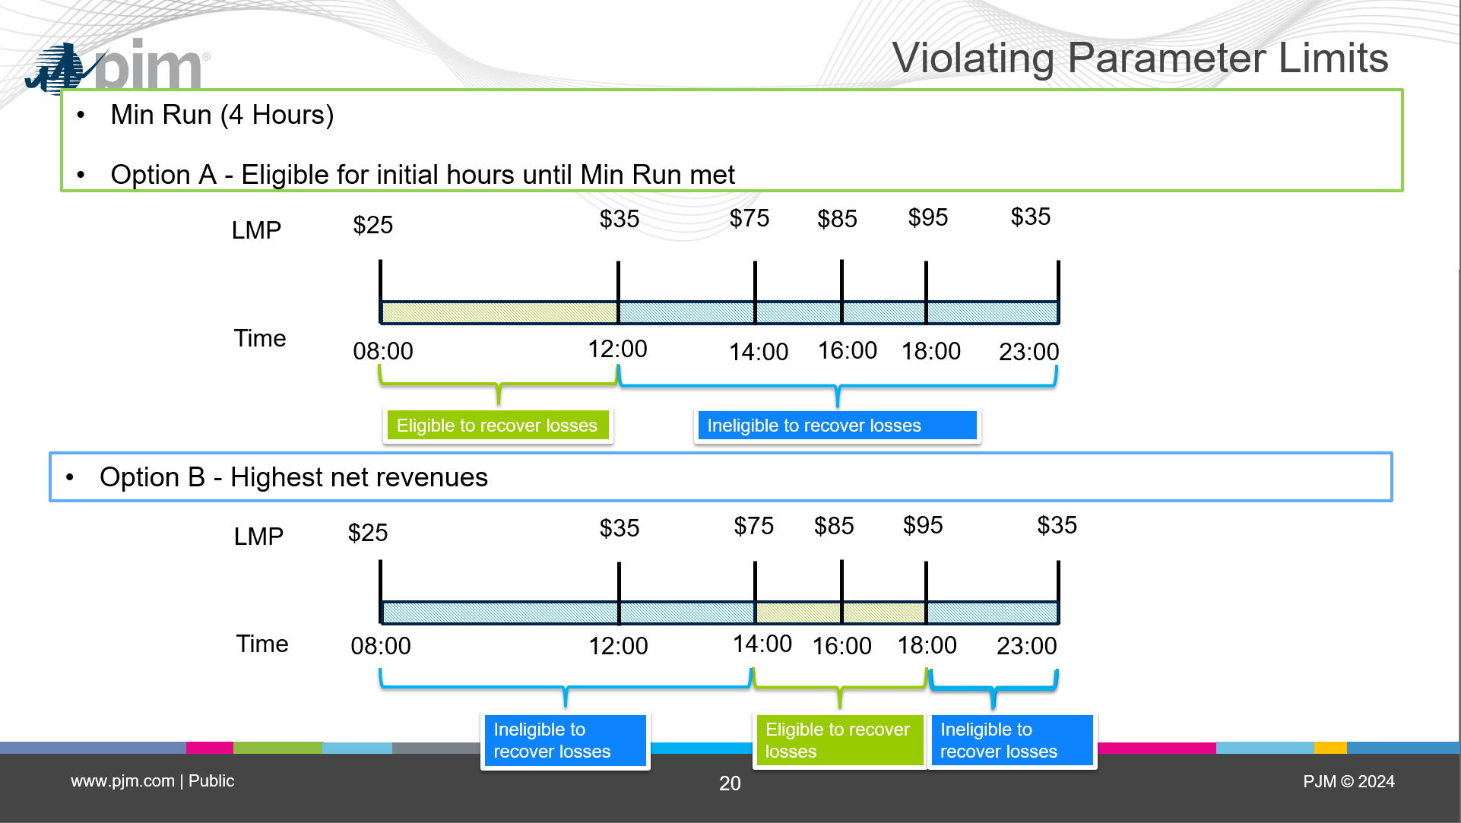
# | Design Components1 | Priority | Status Quo - Conceptual Description | A | B
5 | Violating Parameter Limits | Low | If a unit is committed on a parameter-limited schedule (cost or Price PLS), its submitted parameters must be at least as flexible as the defined parameter limits for that unit. No impact if unit is running on price schedule. | A Capacity Performance generator will have an impact on its make whole credit calculation for violating its parameter limits if: 1. Running on a cost schedule or a price-PLS schedule OR 2. Running on a price schedule AND it meets all of these conditions: a.The unit is offer capped (it failed TPS, or there is a hot weather alert, cold weather alert or other condition triggering potential use of the Price PLS schedule), but is running on price schedule because it was selected as the cheapest schedule b. The unit had a violation on one of the parameter limited schedules considered in the offer capping decision. That is, it met all 3 of these conditions for that parameter limited schedule: i. The temporary exception was denied or withdrawn ii. The parameter value submitted was outside of the approved parameter limit iii. The violated parameter is one of the parameters that affects the determination of the cheapest schedule (Turn Down Ratio, Min Run Time) c. The cheapest schedule selected (schedule to which it was mitigated) would have been different had the parameter limits not been violated on the cost/price-PLS schedule (i.e. the unit would not have been committed on the price schedule in that instance
5a | Impact on Operating Reserve Make Whole Credits | Low | If a Capacity Performance generator is committed or running on its cost-based or price-based parameter limited schedule, the generator is NOT made-whole for losses in intervals during which their submitted parameters are less flexible than the unit-specific parameters and for which there is no approved parameter exception or approved real-time value. However, positive net revenues (revenues > offer) for less flexible intervals continue to be used on the value side of the operating Reserve credit calculation to offset costs in other intervals. If the Generation Capacity Resource can justify to PJM that operation outside of such unit-specific parameters was the result of an actual constraint, the resource can provide MMU and PJM a request to receive Operating Reserve Credits and/or to be made whole for such operation. This includes documentation explaining in detail the reasons for operating its resource outside of its unit-specific parameters within days following the issuance of billing statement for the Operating Day. The resource shall also respond to additional requests for information from the MMU and PJM. MMU shall evaluate such request for compensation and provide its determination of whether there was an exercise of market power to PJM no later than twenty-five calendar days after receiving the resource request for compensation. PJM shall make its determination whether the resource justified that it is entitled to receive Operating Reserve Credits and/or be made whole for such operation of its resource for the day(s) in question no later than thirty calendar days after receiving the resource request for compensation. | Similar to today, Capacity Performance generators meeting the triggering conditions above remain eligible for the Operating Reserve Credit calculation, but have any negative net revenues (losses) set to zero if they violated a parameter limit. Positive net revenues (revenues > offer) for less flexible intervals continue to be used on the value side of the Operating Reserve credit calculation to offset costs in other intervals. The intervals/hours for which any losses are zeroed out are defined based on the rules of the violated parameters spelled out below. Further, any unit running on a price schedule that meets the conditions above (and therefore would have been committed on a different cheapest schedule had non-violating parameters been submitted on the cost or price PLS schedule) will made whole using the cheapest schedule that is identified when using the corrected / non-violating parameters for any intervals where the resource remains eligible to recover any losses. Retain Status Quo process that allows market participant to request to be made whole for any intervals in which are not eligible to recover losses by providing justification for operating outside of the approved parameter limits.

5a.1 | Turn Down Ratio Violation | Low | Any hour that unit violates Turn Down Ratio and has a negative net revenue, hourly net revenue is set to 0 | - If the parameter violation occurs in DA and RT, the unit is ineligible to recover losses in the Balancing Operating Reserve calculation when Tracking Desired MW reaches Eco Min or Eco Max in any interval where the violation exists Explanation: ○ If the violated limits didn't impact the dispatch (that is, PJM still desires the unit between the violated min and max), then the unit is eligible to recover losses ○ But once it cannot be determined if PJM would have desired the unit at that level or not (because there aren't valid limits available to use in the Tracking Desired MW calculation), then it becomes ineligible to recover any losses in that interval (net revenue gets floored at 0) - If the parameter violation occurs in RT only (and not at time of commitment), no additional logic is needed to make the unit ineligible to recover losses. Per option 4aA above, Tracking RLD will be calculated using the reopened (and non-violated) limits.
5a.2 | Min Down Time Violation | Low | If unit extends its Min Down time and PJM keeps unit on because it cannot be cycled, any hour in extended hours as logged by PJM that has a negative net revenue, hourly net revenue is set to 0 | Any violation of this parameter will make the unit ineligible to recover losses beyond the approved min run time. The min run period for which the resource remains eligible to recover any losses begins at the start of the commitment period and ends at the start of the commitment + approved min run time. | Any violation of this parameter will make the unit ineligible to recover losses for any hours in excess of the number of hours in the approved min run time. The hours eligible to recover losses are those contiguous hours with the highest net revenues, where the number of contiguous hours equals the approved min run time.
5a.3 | Min Run Time Violation | Low | If unit extends its Min Run Time, any hour in extended hours that unit has negative net revenue, hourly net revenue is set to 0 | Any violation of this parameter will make the unit ineligible to recover losses beyond the approved min run time. The min run period for which the resource remains eligible to recover any losses begins at the start of the commitment period and ends at the start of the commitment + approved min run time. | Any violation of this parameter will make the unit ineligible to recover losses for any hours in excess of the number of hours in the approved min run time. The hours eligible to recover losses are those contiguous hours with the highest net revenues, where the number of contiguous hours equals the approved min run time.
5a.4 | Max Daily Starts Violation | Low | If unit reduces Max Daily Starts and PJM keeps unit on because it cannot be cycled, any hour in extended hours as logged by PJM that has a negative net revenue, hourly net revenue is set to 0 | Each day, evaluate if Max daily start exception limit has been reached. If so, the unit becomes ineligible to recover losses after the min run period of its Nth start. N is defined as the approved start limit. This start count is reset daily. The min run period for which the resource remains eligible to recover any losses begins at the start of the commitment period and ends at the start of the commitment + approved min run time. | Each day, evaluate if Max daily start exception limit has been reached. If so, the unit becomes ineligible to recover losses in excess of the number of hours in the approved min run time for its Nth start. N is defined as the approved start limit. This start count is reset daily. The hours eligible to recover losses are those contiguous hours with the highest net revenues, where the number of contiguous hours equals the approved min run time.
5a.5 | Max Weekly Starts Violation | Low | If unit reduces Max Weekly Starts and PJM keeps unit on because it cannot be cycled, any hour in extended hours as logged by PJM that has a negative net revenue, hourly net revenue is set to 0 | Each day, evaluate if Max weekly start exception limit has been reached. If so, the unit becomes ineligible to recover losses after the min run period of its Nth start. N is defined as the approved start limit. This start count is reset weekly. A week is defined as (Monday 00:00 to Sunday 00:00) | Each day, evaluate if Max weekly start exception limit has been reached. If so, the unit becomes ineligible to recover losses in excess of the number of hours in the approved min run time for its Nth start. N is defined as the approved start limit. This start count is reset daily. The hours eligible to recover losses are those contiguous hours with the highest net revenues, where the number of contiguous hours equals the approved min run time.
5a.6 | Startup Time(cold/inter/hot) Violation | Low | If unit extends its Start-up Time and PJM keeps unit on because it cannot be cycled, any hour in extended hours as logged by PJM that has a negative net revenue, hourly net revenue is set to 0 | Any violation of this parameter will make the unit ineligible to recover losses beyond the approved min run time. The min run period for which the resource remains eligible to recover any losses begins at the start of the commitment period and ends at the start of the commitment + approved min run time. | Any violation of this parameter will make the unit ineligible to recover losses for any hours in excess of the number of hours in the approved min run time. The hours eligible to recover losses are those contiguous hours with the highest net revenues, where the number of contiguous hours equals the approved min run time.
5a.7 | Notification Time Violation | Low | If unit extends notification time and PJM keeps unit on because it cannot be cycled, any hour in extended hours as logged by PJM that has a negative net revenue, hourly net revenue is set to 0 | Any violation of this parameter will make the unit ineligible to recover losses beyond the approved min run time. The min run period for which the resource remains eligible to recover any losses begins at the start of the commitment period and ends at the start of the commitment + approved min run time. | Any violation of this parameter will make the unit ineligible to recover losses for any hours in excess of the number of hours in the approved min run time. The hours eligible to recover losses are those contiguous hours with the highest net revenues, where the number of contiguous hours equals the approved min run time.
5a.8 | Max Run Time Violation | Low | No Impact

 | Illustration of the impact for a unit that violates one of the parameters other than Turn Down Ratio:
 | Unit remains eligible for Balancing Operating Reserve Credits for the entire run time; however, the specific intervals in which it is eligible to recover any losses incurred differs in Options A and B.

